Sheet1
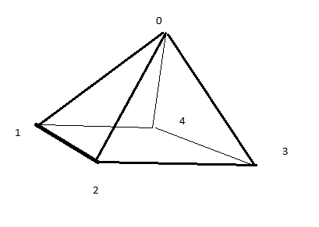

Vertex List
 | x | y | z
0 | 0 | 2 | 0
1 | -1 | -1 | -1
2 | -1 | -1 | 1
3 | 1 | -1 | 1
4 | 1 | -1 | -1

Face List
Front | 0 | 2 | 3 | 0 | 2 | 1
Back | 0 | 4 | 1 | 7 | 5 | 6
Left | 0 | 1 | 2 | 3 | 1 | 5
Right | 0 | 3 | 4 | 4 | 6 | 2
Bottom | 1 | 4 | 3 | 5 | 1 | 2
 | 1 | 3 | 2 | 5 | 2 | 6
7
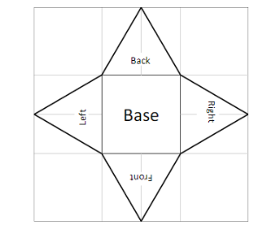
 |  |  |  |  | Texture Vertices
 |  |  |  |  |  | u | v
 |  |  |  |  | 0 | 0.5 | 0
5
6
 |  |  |  |  | 1 | 0.33333 | 0.33333
 |  |  |  |  | 2 | 0.66667 | 0.33333
3
4
 |  |  |  |  | 3 | 0 | 0.5
 |  |  |  |  | 4 | 1 | 0.5
 |  |  |  |  | 5 | 0.33333 | 0.66667
1
2
 |  |  |  |  | 6 | 0.66667 | 0.66667
 |  |  |  |  | 7 | 0.5 | 1

0

